Sheet1
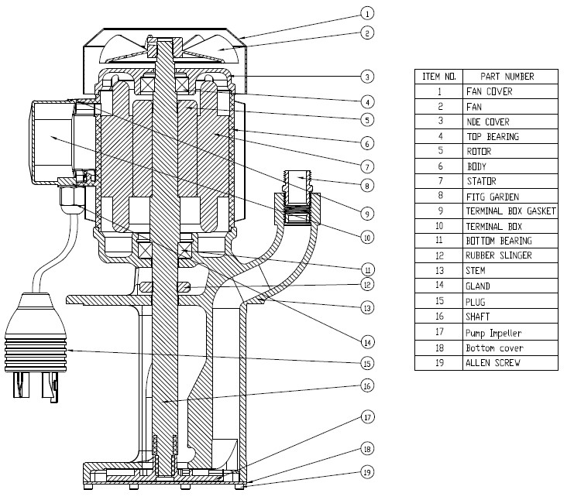
Model: | RK140/185 |  |  | Speciality (if Any):
 |  |  |  | Special Code: |  | NA
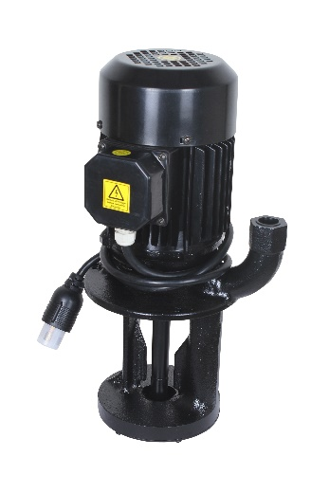 |  |  |  | Description of Speciality

Technical Data
Power (kW) |  | 1.1 | Rated Current (A) |  | 2.5 / 2.75 / 4.0
Voltage (V) |  | 230 / 3 Ph | Efficiency Level |  | IE3 AT 50Hz
Frequency (Hz) |  | 50 / 60 / 80 | Insulation Class |  | F
RPM |  | 2880 / 3400 / 4700 | Duty |  | S1
Outlet Size |  | G 3/4" NPT | 50 Flow (LPM) @Head(M)
Material Of Construction
Impeller |  | CI | Mechanical seal |  | NA
Impeller cover |  | FG150 | Bush Bearings |  | NA
Stem (pump body) |  | FG 150 | Shaft |  | SS 410
Operating conditions
Max Ambient Temp. |  | 45℃ | Installation |  |  | Vertical
Max. Liquid Temp |  | 80℃ | Min. Filtration level |  |  | 500 microns
Max On/Off Cycle |  | 40 per Hour | Max. Viscocity (for given motor rating) |  |  | 15 CST
(Please Check with factory for more information on this)
Dimensional Details
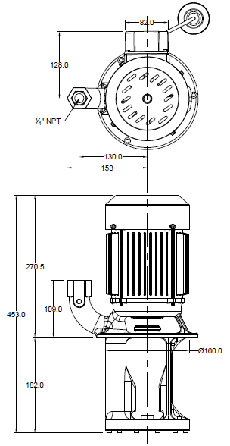

HQ Performance Curve
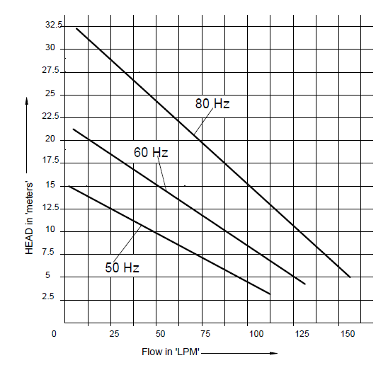

Parts List- Cross Section View (2D)

